data to plot
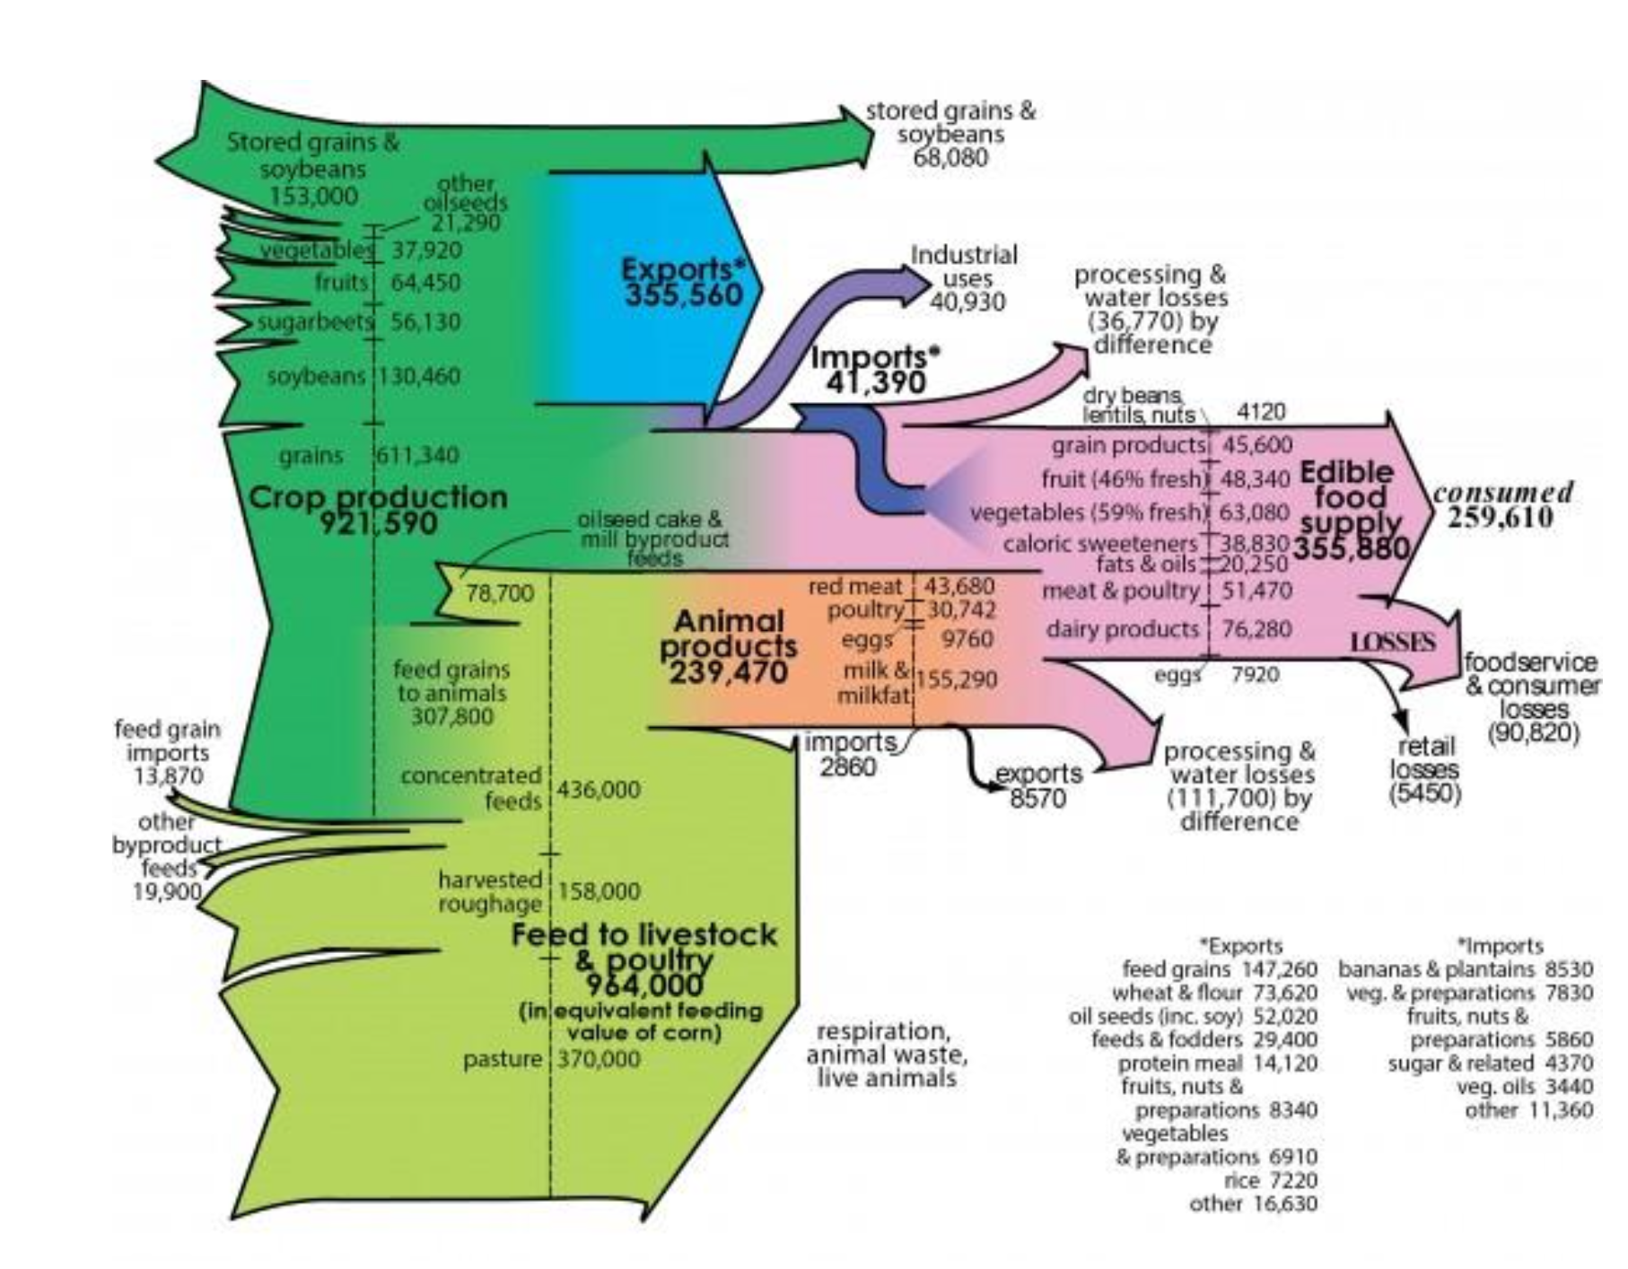
x | next_x | node | next_node | value
0 | 1 | Storage | Stored grains & soybeans | 84920
0 | 1 | Cultivated fields | Other oilseeds | 21290
0 | 1 | Cultivated fields | Vegetables | 37920
0 | 1 | Cultivated fields | Fruits | 64450
0 | 1 | Cultivated fields | Sugarbeets | 130460
0 | 1 | Cultivated fields | Soybeans | 130460
0 | 1 | Cultivated fields | Grains | 611340
1 | 2 | Stored grains & soybeans | Crop production | 84920
1 | 2 | Other oilseeds | Crop production | 21290
1 | 2 | Vegetables | Crop production | 37920
1 | 2 | Fruits | Crop production | 64450
1 | 2 | Sugarbeets | Crop production | 130460
1 | 2 | Soybeans | Crop production | 130460
1 | 2 | Grains | Crop production | 611340
2 | 3 | Crop production | Exports | 355560
3 | 4 | Exports | Feed grains | 147260
3 | 4 | Exports | Wheat & flour | 73620
3 | 4 | Exports | Oil seeds | 52020
3 | 4 | Exports | Feeds & fodders | 29400
3 | 4 | Exports | Protein meal | 14120
3 | 4 | Exports | Fruits, nuts & preparations | 8340
3 | 4 | Exports | Rice | 7220
3 | 4 | Exports | Other | 16630

